Part_C_Analysis
PART C — NORMALITY, EMPIRICAL RULE & SKEWNESS

C1 — Is a normal approximation reasonable?
Dataset | N | Mean | Median | Mode | Skewness | Statistical Assessment
Data Science assessment | 95 | 77.6674 | 77.4000 | 73.9, 77.3 | 0.0476 | Low skewness (0.0476) supports a roughly symmetric shape.
Overall starting salary | 300 | 15.5950 | 14.9000 | 16.5000 | 0.0244 | Right-skewed (0.0244) — normal salary formulas need caution.

C2 — 68–95–99.7 rule for Data Science
Item | Formula result | Meaning | Comparison
Sample SD | 5.8159 | Spread | Formula-derived
About 68% | 71.8515 to 83.4832 | Mean ± 1 SD | ≈68% if normal
About 95% | 66.0357 to 89.2991 | Mean ± 2 SD | ≈95% if normal
Estimated P(score > mean + 2SD) | 2.50% | Empirical-rule upper tail | ≈2.5%
Threshold score (mean + 2SD) | 89.2991 | 77.6673684210526 + 2×5.81585218331253 | Formula-derived threshold
Observed above threshold | 2 | 2.11% | 2 of 95 = 2.11%

C3 — Salary skewness by track (Bowley)
Track | Q1 | Median | Q3 | Bowley | Shape |  | Track | Bowley
Cyber Security | 12.4000 | 15.4500 | 20.5250 | 0.2492 | Right-skewed |  | Cyber Security | 0.2492
Data Science | 13.4000 | 16.9000 | 20.9000 | 0.0667 | Near symmetric |  | Data Science | 0.0667
UI/UX | 9.8500 | 12.4000 | 15.0000 | 0.0097 | Near symmetric |  | UI/UX | 0.0097
Web Development | 10.1000 | 13.4500 | 16.5000 | -0.0469 | Near symmetric |  | Web Development | -0.0469

Data Science assessment distribution
Bowley skewness by track

 |  |  |  |  |  |  | Score interval | Count
 |  |  |  |  |  |  | 60–<65 | 1
 |  |  |  |  |  |  | 65–<70 | 7
 |  |  |  |  |  |  | 70–<75 | 26
 |  |  |  |  |  |  | 75–<80 | 29
 |  |  |  |  |  |  | 80–<85 | 22
 |  |  |  |  |  |  | 85–<90 | 8
 |  |  |  |  |  |  | 90–<95 | 2

C — Final conclusion
Conclusion: Data Science assessment has low skewness (0.0476), so the empirical-rule exercise is reasonable. The theoretical upper tail above +2 SD is 2.5%; the observed rate is 2.11%. The minor difference exists because: (1) real sample data is discrete, and (2) sampling variation in n=300 causes small deviations from theoretical limits. Starting salary is right-skewed (0.0244), so a normal model should not be assumed for salary without qualification.

For a positively skewed distribution, the theoretical ordering is Mean > Median > Mode. In this sample, mean (15.595) > median (14.9), confirming right-skewness, but the observed mode (16.5) does not follow the textbook ordering; this is possible because the mode is sensitive to the most frequent observed value.

UI/UX is nearly symmetric (Bowley skewness = 0.0097), while Cyber Security is right-skewed (0.2492). UI/UX therefore has a more balanced salary distribution. In Cyber Security, a smaller number of graduates earn substantially higher salaries, pulling the mean upward; the median may be more representative of a typical graduate's salary.

Part_D_BoxPlots
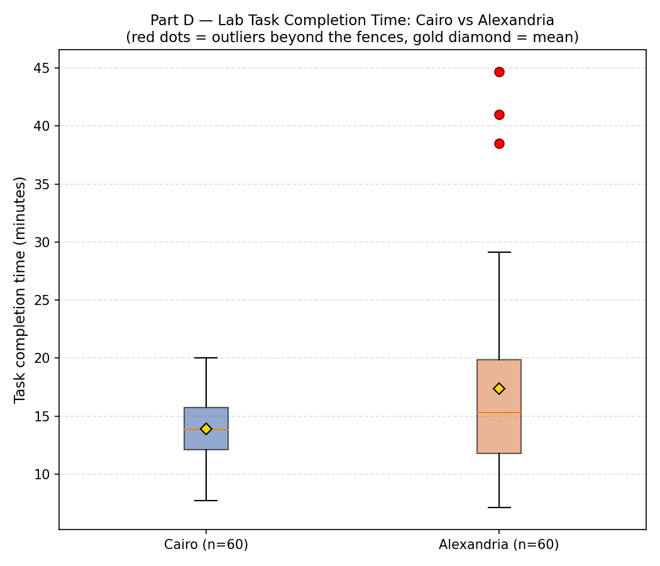
Part D — Box Plots: Lab Task Time, Cairo vs Alexandria

D1 — Five-Number Summary & Fences
Branch | N | Min | Q1 | Median | Q3 | Max | IQR | Lower Fence | Upper Fence | Whisker Low End | Whisker High End
Cairo | 60 | 7.7 | 12.075 | 13.85 | 15.725 | 20 | 3.65 | 6.6 | 21.2 | 7.7 | 20
Alexandria | 60 | 7.1 | 11.775 | 15.3 | 19.85 | 44.7 | 8.075 | -0.3375 | 31.9625 | 7.1 | 29.1

Outliers (values outside the fences)
Branch | Outlier Count | Outlier Values
Cairo | 0 | None
Alexandria | 3 | 3 outliers — see source data
Answers — D1: 1) Five-number summary for each branch is in the table above (Min / Q1 / Median / Q3 / Max). 2) Cairo has ZERO outliers (Outlier Count = 0). Alexandria has 3 outliers, all above its upper fence (listed above). 3) The whisker does NOT extend to the fence itself — it stops at the most extreme observation still inside the fence. See 'Whisker Low End' / 'Whisker High End' columns: for Alexandria the high whisker stops well short of its Max (44.7), because the 3 outliers were excluded from the whisker. 4) See the attached PNG chart (Part D box plot) for the shared-axis drawing with outliers marked in red.

D2 — Reading the Plot
Branch | Median | Q3-Median | Median-Q1 | Skew Direction | IQR
Cairo | 13.85 | 1.875 | 1.775 | Right-skewed | 3.65
Alexandria | 15.3 | 4.55 | 3.525 | Right-skewed | 8.075
Median difference (Alexandria - Cairo) |  |  |  | 1.45
Answers — D2: 1) Alexandria has the higher median (see difference above, ~1.45 minutes higher than Cairo). 2) Skew Direction column: Cairo is close to symmetric (Q3-Median ≈ Median-Q1). Alexandria is right-skewed (Q3-Median > Median-Q1) — a minority of slow completions stretch the upper tail. 3) IQR: Cairo's IQR is much smaller than Alexandria's — Cairo is far more CONSISTENT. 'Slower on average' (median) and 'less consistent' (IQR) are two separate findings; the lab manager's claim ('Alexandria is slower') only captures the median part. 4) The 3 Alexandria outliers look like genuine slow completions, not data-entry errors (per the error-vs-outlier distinction from Case Study 01) — they should stay in the analysis unless there is a real-world reason (e.g. a documented interruption) to justify removing a specific one. Decision-note: for a deadline-sensitive task, Cairo is the safer choice — lower median AND far less variability, so wait times are more predictable.

C_Distributions
C1–C3 Distribution Diagnostics & Charts

Data Science Assessment Score Distribution
Data Science assessment_score — histogram counts
Bin lower | Bin upper | Interval | Count
60 | 65 | 60–<65 | 1
65 | 70 | 65–<70 | 7
70 | 75 | 70–<75 | 26
75 | 80 | 75–<80 | 29
80 | 85 | 80–<85 | 22
85 | 90 | 85–<90 | 8
90 | 95 | 90–<95 | 2

Starting Salary Distribution
Starting salary — histogram counts
Bin lower | Bin upper | Interval | Count
5 | 10 | 5–<10 | 49
10 | 15 | 10–<15 | 102
15 | 20 | 15–<20 | 86
20 | 25 | 20–<25 | 49
25 | 30 | 25–<30 | 5
30 | 35 | 30–<35 | 4
35 | 40 | 35–<40 | 3
40 | 45 | 40–<45 | 1
45 | 50 | 45–<50 | 1

Bowley Skewness by Track
Numerical diagnostics
Metric | Data Science assessment | All starting salary | Meaning
Mean | 77.6674 | 15.5950 | Center
Median | 77.4000 | 14.9000 | Center resistant to extremes
Mode(s) | 73.9, 77.3 | 16.5 | Most frequent value(s)
Moment skewness | 0.0767 | 1.3854 | 0 ≈ symmetric; positive = right-skew
Bowley skewness | 0.0253 | 0.0244 | Quartile-based skewness

Starting Salary: Mean vs Median by Track
Track salary skewness — Bowley coefficient
Track | Q1 | Median | Q3 | Bowley skewness | Interpretation
Cyber Security | 12.4000 | 15.4500 | 20.5250 | 0.2492 | Right-skewed
Data Science | 13.4000 | 16.9000 | 20.9000 | 0.0667 | Mild skew
UI/UX | 9.8500 | 12.4000 | 15.0000 | 0.0097 | Near symmetric
Web Development | 10.1000 | 13.4500 | 16.5000 | -0.0469 | Near symmetric

Track | Mean salary | Median salary
Cyber Security | 16.4919 | 15.4500
Data Science | 17.9537 | 16.9000
UI/UX | 13.0473 | 12.4000
Web Development | 14.0091 | 13.4500

Part E
E1. Does the binomial even apply?

Condition | Does it hold here? Justify.
A fixed number n of identical trials | Not really across the whole sample. Each graduate does have a fixed n (their own interview count), but n is different for every graduate, so there's no single n for all 300 of them.
Each trial has exactly two outcomes | Yes, this one holds fine. Each interview either ends in an offer or no offer, nothing in between.
The probability of success p is constant across trials | No, this is the one that breaks. Graduates aren't equally skilled, so their real chance of getting an offer isn't the same person to person. Using one pooled p for everyone hides that difference.
The trials are independent | Mostly holds. Companies interview graduates separately, but there could be a small effect where getting rejected a few times in a row affects how someone performs in the next interview (or getting an early offer makes them try less in the rest). Weaker issue than #3 though.

The condition that's most clearly violated is #3 (constant p). Graduates differ in skill and preparation, so each one really has a different chance of landing an offer — it's not the same probability for everyone. When we pool all offers and interviews together to get one average p, we're basically hiding that difference. This makes the binomial model underestimate how many graduates end up with zero offers, because the weaker graduates (whose real p is much lower than the average) get averaged out and disappear into the overall number.

E2. Estimate p and use it

P | 0.292

2 Offers From 6 Interviews | 0.32120992075
No Offers | 0.12636078559
At Least One Offer | 0.87363921441
Mean | 1.7496962333
Variance | 1.2394567485

Binomial Distribution
E3. Shape, and a reality check
 |  |  | Since p = 0.292 is below 0.5, the binomial distribution for n = 6 is right-skewed (positively skewed). Most of the probability is concentrated at the lower values of x (around 1-2 offers), with a smaller tail extending toward the higher values (5, 6 offers) that have very low probability.
X | P
0 | 0.12636078559
1 | 0.31210897299
2 | 0.32120992075
3 | 0.17630733214
4 | 0.054434510782
5 | 0.0089634871956
6 | 0.00061499054515

NO. Zero Offer | Percentage
66 | 22%

Prob_Zero_Offers | Average Prob Zero Offers
0.089511953829 | 0.19364018692 | Observed proportion of graduates with zero offers: 66/300 = 0.22 (22%) Model-predicted proportion (using each graduate's actual number of interviews with p hat = 0.292): 0.194 (19.4%) The binomial model under-predicts — the actual zero-offer rate (22%) is noticeably higher than what the model predicts (19.4%).
0.12636078559
0.089511953829
0.12636078559
0.17837894776
0.25181110464
0.50180783637
0.50180783637
0.04491779988
0.12636078559 |  | Some graduates are simply stronger candidates than others — better CVs, more interview experience, or a track with better market demand. These stronger candidates have a real chance of success well above the pooled average, while weaker candidates have a real chance well below it. Because the model uses one constant p for everyone, it can't capture this — it assumes every graduate is equally likely to succeed in each interview. In reality, the weaker candidates are the ones getting shut out entirely, which pushes the actual zero-offer rate higher than a constant-p model would ever predict.
0.12636078559
0.031819049004
0.25181110464
0.17837894776
0.35547262285
0.063408832421
0.089511953829
0.12636078559
0.089511953829
0.70838396112
0.063408832421
0.17837894776
0.17837894776
0.50180783637
0.04491779988
0.17837894776
0.35547262285
0.35547262285
0.04491779988
0.12636078559
0.35547262285
0.089511953829
0.17837894776
0.12636078559
0.17837894776
0.12636078559
0.12636078559
0.25181110464
0.17837894776
0.17837894776
0.35547262285
0.089511953829
0.04491779988
0.25181110464
0.089511953829
0.031819049004
0.12636078559
0.04491779988
0.063408832421
0.17837894776
0.25181110464
0.12636078559
0.12636078559
0.04491779988
0.12636078559
0.04491779988
0.50180783637
0.063408832421
0.25181110464
0.17837894776
0.015967048136
0.12636078559
0.17837894776
0.063408832421
0.031819049004
0.35547262285
0.12636078559
0.35547262285
0.25181110464
0.25181110464
0.35547262285
0.25181110464
0.12636078559
0.17837894776
0.12636078559
0.031819049004
0.17837894776
0.089511953829
0.063408832421
0.17837894776
0.35547262285
0.17837894776
0.17837894776
0.12636078559
0.17837894776
0.50180783637
0.25181110464
0.12636078559
0.17837894776
0.031819049004
0.25181110464
0.50180783637
0.17837894776
0.089511953829
0.12636078559
0.04491779988
0.089511953829
0.25181110464
0.17837894776
0.25181110464
0.12636078559
0.50180783637
0.35547262285
0.25181110464
0.17837894776
0.031819049004
0.12636078559
0.12636078559
0.17837894776
0.17837894776
0.0080123898783
0.089511953829
0.12636078559
0.17837894776
0.089511953829
0.04491779988
0.089511953829
0.089511953829
0.35547262285
0.50180783637
0.089511953829
0.25181110464
0.35547262285
0.25181110464
0.089511953829
0.17837894776
0.089511953829
0.12636078559
0.031819049004
0.50180783637
0.25181110464
0.35547262285
0.35547262285
0.35547262285
0.12636078559
0.17837894776
0.04491779988
0.25181110464
0.17837894776
0.35547262285
0.17837894776
0.17837894776
0.25181110464
0.12636078559
0.35547262285
0.12636078559
0.12636078559
0.12636078559
0.17837894776
0.17837894776
0.70838396112
0.12636078559
0.089511953829
0.089511953829
0.04491779988
0.35547262285
0.12636078559
0.25181110464
0.12636078559
0.12636078559
0.50180783637
0.089511953829
0.089511953829
0.35547262285
0.12636078559
0.12636078559
0.089511953829
0.35547262285
0.04491779988
0.35547262285
0.089511953829
0.17837894776
0.12636078559
0.17837894776
0.25181110464
0.17837894776
0.089511953829
0.12636078559
0.12636078559
0.50180783637
0.063408832421
0.25181110464
0.17837894776
0.12636078559
0.12636078559
0.35547262285
0.17837894776
0.089511953829
0.17837894776
0.50180783637
0.35547262285
0.25181110464
0.031819049004
0.35547262285
0.089511953829
0.17837894776
0.12636078559
0.17837894776
0.25181110464
0.25181110464
0.25181110464
0.35547262285
0.089511953829
0.35547262285
0.04491779988
0.12636078559
0.04491779988
0.17837894776
0.35547262285
0.35547262285
0.12636078559
0.35547262285
0.12636078559
0.17837894776
0.063408832421
0.12636078559
0.17837894776
0.50180783637
0.022540103972
0.25181110464
0.25181110464
0.50180783637
0.25181110464
0.089511953829
0.089511953829
0.17837894776
0.12636078559
0.35547262285
0.089511953829
0.25181110464
0.17837894776
0.063408832421
0.25181110464
0.25181110464
0.70838396112
0.17837894776
0.35547262285
0.12636078559
0.35547262285
0.35547262285
0.12636078559
0.17837894776
0.089511953829
0.35547262285
0.04491779988
0.063408832421
0.12636078559
0.063408832421
0.17837894776
0.089511953829
0.12636078559
0.25181110464
0.17837894776
0.089511953829
0.25181110464
0.12636078559
0.063408832421
0.17837894776
0.063408832421
0.35547262285
0.089511953829
0.089511953829
0.25181110464
0.063408832421
0.17837894776
0.50180783637
0.17837894776
0.063408832421
0.031819049004
0.12636078559
0.063408832421
0.04491779988
0.12636078559
0.04491779988
0.35547262285
0.35547262285
0.089511953829
0.063408832421
0.35547262285
0.35547262285
0.50180783637
0.17837894776
0.04491779988
0.089511953829
0.17837894776
0.063408832421
0.25181110464
0.04491779988
0.12636078559
0.25181110464
0.35547262285
0.50180783637
0.17837894776
0.12636078559
0.063408832421
0.25181110464
0.50180783637
0.17837894776
0.25181110464
0.12636078559

Part F
F1. Test the Poisson signature

Metric | Value
Mean of tickets_logged (180 days) | 3.7056
Sample variance of tickets_logged | 3.6056
Variance minus mean | -0.1000
Variance / mean ratio | 0.9730

Mean = 3.7056, variance = 3.6056. They are close (ratio = 0.97), which is the Poisson signature (mean = variance). This dataset looks consistent with a Poisson process — there is no sign of the extra spread (over-dispersion) or the extra tightness (under-dispersion) that would make you doubt the model.

Condition | Does it hold here? Justify.
The variable is discrete | Yes. tickets_logged is always a whole number of tickets (0, 1, 2, ...). You cannot log half a ticket, so the count is discrete by nature.
Occurrences are random | Reasonably yes. A ticket arrives when a student or staff member happens to hit a problem; there is no schedule forcing tickets to appear at fixed times, so day-to-day counts behave like random arrivals rather than a deterministic pattern.
Occurrences are independent | This is the shakiest condition. Most days probably are independent, but a single root cause (a lab-wide outage, a new tool rollout, or an exam-week rush) can push tickets up on several consecutive days at once, which breaks independence.

A concrete real-world break: if the lab pushes a software update on a Monday and it has a bug, students queue up tickets about it on Monday, Tuesday and Wednesday alike — one root cause inflating three consecutive days together, rather than three independent draws. The mean ≈ variance check above is what you can actually verify from the data; the independence condition is closer to a plausible assumption you cannot fully confirm from counts alone.

F2. Use the distribution

Quantity | Value
λ = mean, rounded to 1 dp | 3.7
P(X = 2) | 0.1692
P(X = 0) | 0.0247
P(X ≥ 2) [complement of P(0)+P(1)] | 0.8838
P(X > 6) [day exceeds 6-ticket capacity] | 0.0818
Expected days per 180-day term exceeding capacity | 14.7

With λ = 3.7, a day has only a 8.2% chance of seeing more than 6 tickets, but over a 180-day term that still adds up to roughly 14.7 days where the lab is over capacity — not a one-off, but not a constant problem either.

Helpdesk tickets: observed vs Poisson-expected days
F3. Model against reality

Tickets (x) | Observed days | Expected days (Poisson)
0 | 5 | 4.45
1 | 12 | 16.47
2 | 40 | 30.46
3 | 24 | 37.57
4 | 46 | 34.75
5 | 24 | 25.72
6 | 13 | 15.86
7 | 10 | 8.38
8 | 3 | 3.88
9 | 3 | 1.59
Total | 180 | 179.13

The model tracks the data well in the middle of the range (3–5 tickets) but drifts at the edges: observed has 5 zero-ticket days against 4.5 expected, and the model over-predicts around 3 tickets (37.6 expected vs 24 observed) while slightly under-predicting 4 tickets. Given the 14.7-day expected over-capacity estimate from F2, the recommendation is to roster enough staff for the typical 3–5-ticket day, with a plan (on-call or a shared second-line queue) for the roughly 15 days a term that exceed 6 tickets — this assumes tickets keep behaving like a stable Poisson process with the same λ through the term, which a root-cause spike (see F1) could violate.

